Jira Road Map S1
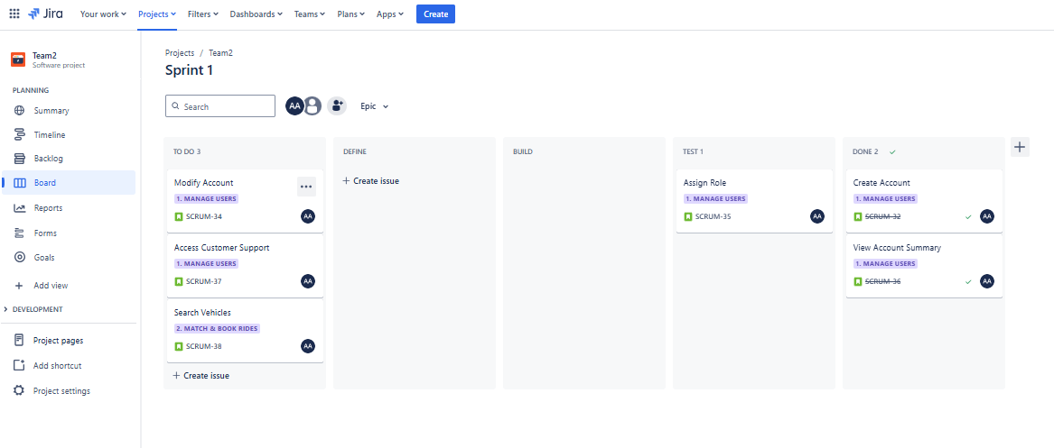
Timeline/Roadmap View: Months
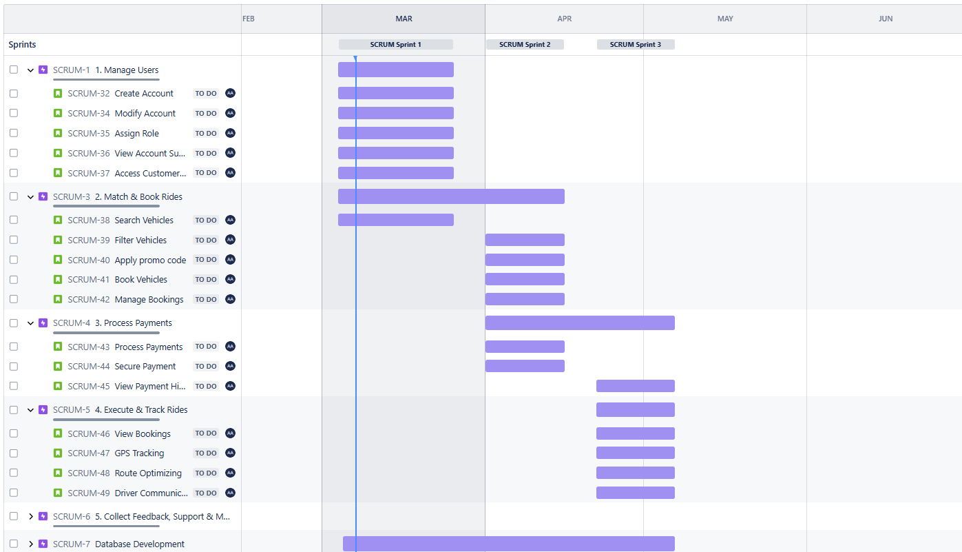

Timeline/Roadmap View: Weeks



Kanban Board

Jira Road Map S2
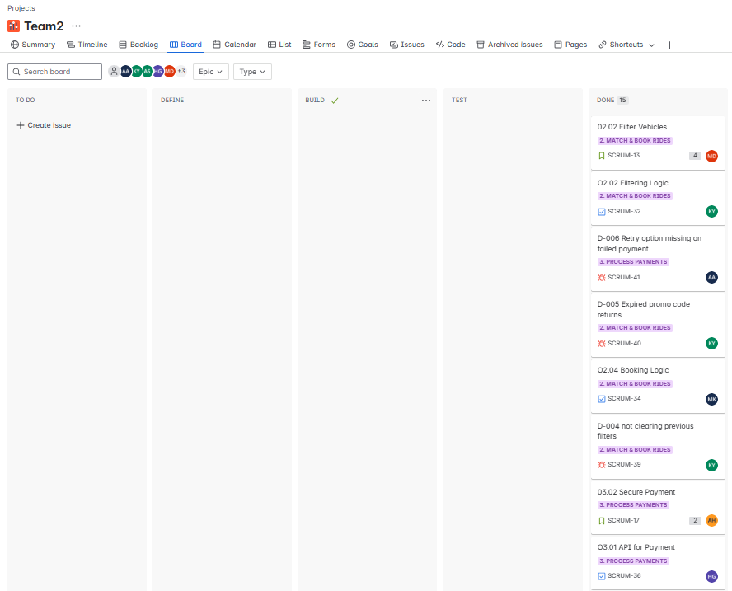

Timeline/Roadmap View: Months
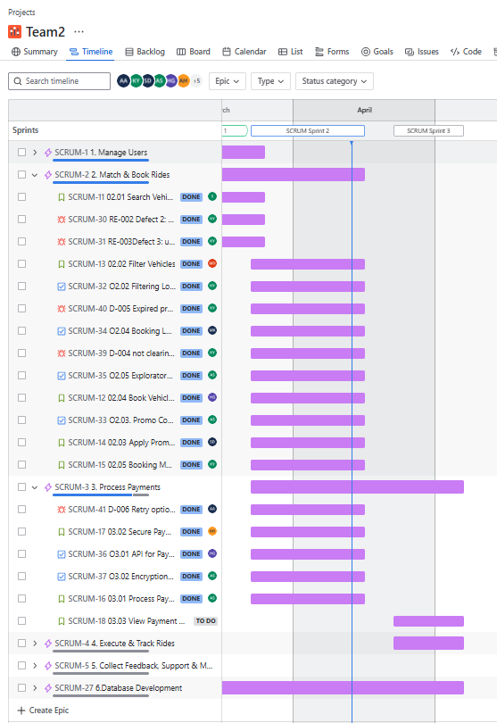

Timeline/Roadmap View: Weeks
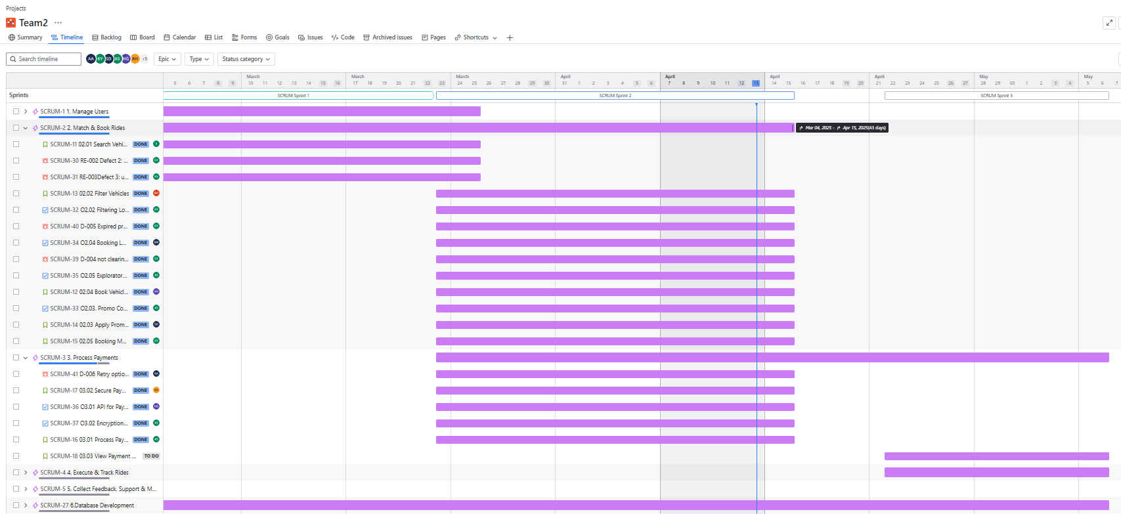

Kanban Board

Jira Road Map S3
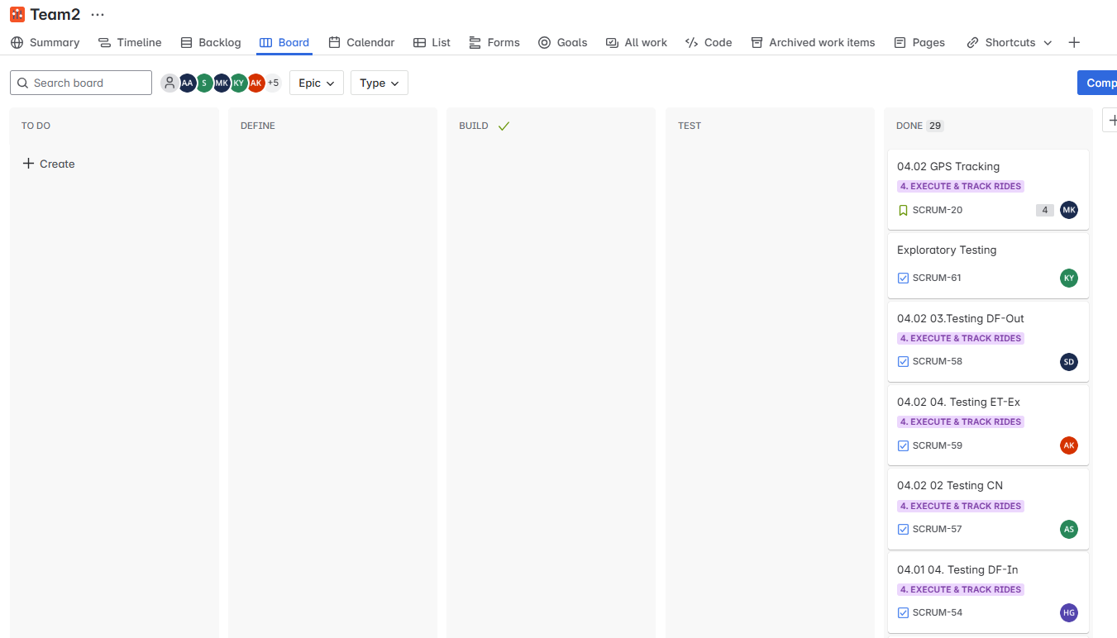



Timeline/Roadmap View: Months
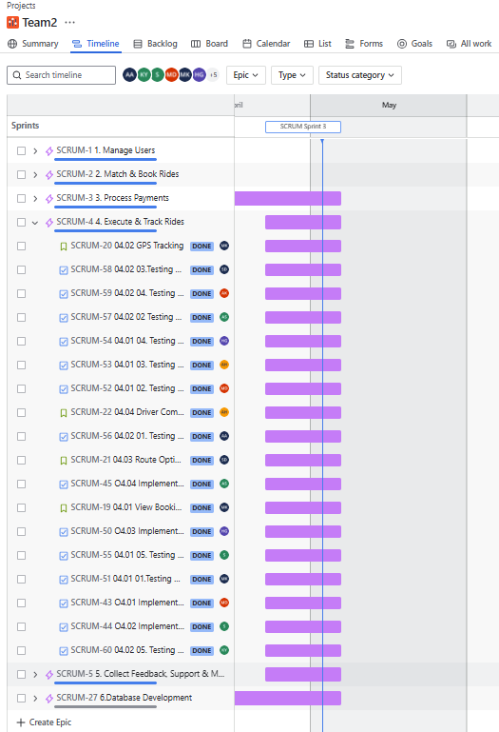

Timeline/Roadmap View: Weeks
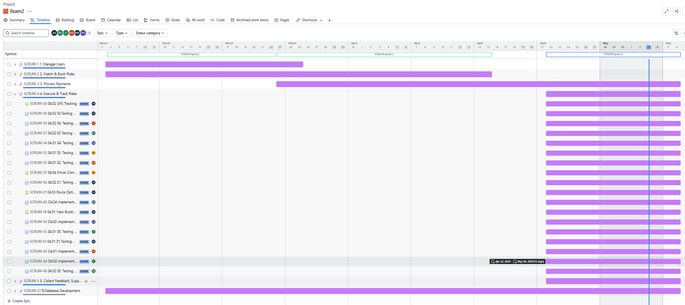

Kanban Board

